rc-101 form
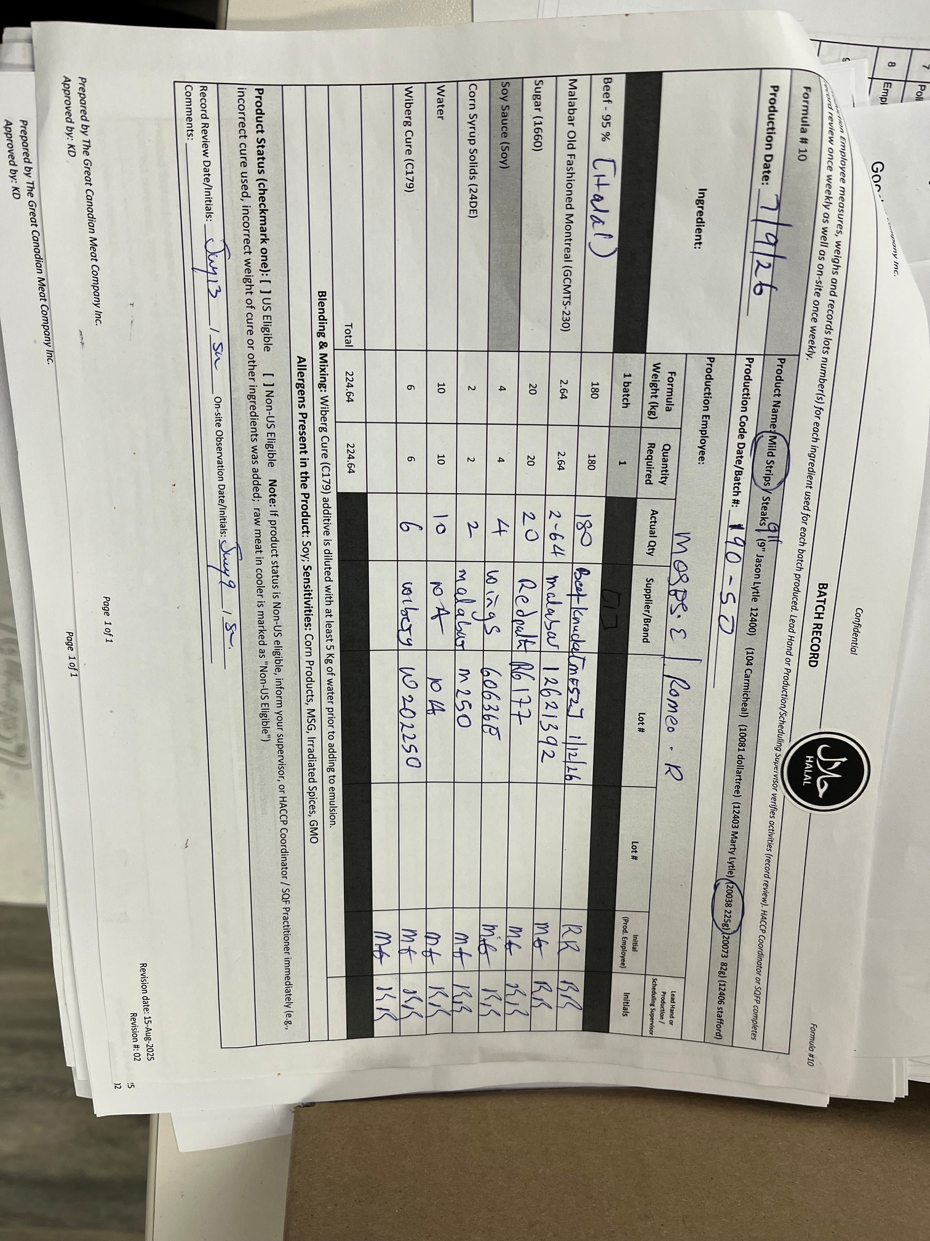
The Great Canadian Meat
Test No. | 4
Title: | Beef Jerky with Beef Knuckles
Product Code: | 20028
Production/ Packaging: | beef knuckles in production
Project | Beef Jerky with Beef Knuckles with existing formulations
Proposal Trial Date | July 14 2026
Plant Trial Objective: | use existing formulation, use a different beef
Requested by: | Pete and Stefan (Management)

Trial Purpose: | lower cost beef due to supply on beef
Production Line & Description: | V1
Finished Product Disposition: | Deli Sale if taste and texture are match to control

Project History:
beef knuckles may be a suggested replacement for priced beef

Existing Product? | yes
New Product | NO

Allergens:
Product Allergens? | NA

Shelf Life:
Desired Shelf Life | 365days
Shelf Life Testing required? | No | existing product and process

Microbial Testing Requested?:
Testing; | NO | existing

Label Update or Nutritional?:
Update required?

Hold Required?:
Hold # | Test #4
Status after Review? (Release, Dispose)
Status

Action Standard | Similar overall liking

Materials Required for Trial: | Use existing

New Supplier? | Yes; Silver Fern Farms, Through Broker Consco
New Ingredient? | Yes, Beef Knuckles
New Packaging? | NO
Other; | na
Comments (all documents received?); | 22353 - B-KNUCKLE IW FZ | Specification | Yes
 | BRC 23 August 2026 | Third Party Audit | Yes
 | continuing August 2025 | Letter Guarantee | Yes
 |  | Supplier Questionnaire | If approved

Remaining ingredients same
Trial Requirements: - Small batch for consumer descriptive testing
Trial Date: | July 10 2026 for batching and cooking
Start Time: | 3:30pm
Batch Size: | 224.64kg (raw)
Labeling: | as existing sku of product
Customer Review: | na - is internal Great Canadian Meat product

Trial Approval
Position/Title |  | Indicate dist. list with 'x' | Name
CEO |  | X | P. Vanslyke

Plant Manager: |  | X | S. Crawford
Quality Control: |  | X | S. Kuzmych
Scheduler |  | X | A. Kulcar
Post Trial Information (Complete information after trial)
Trial Date: | July 10 2026
Sensory Panel Members
Observations:

General Information: | same batch sheet, same packaging

Trial Information:
Trial Start Time: | cook July 10
Trial End Time: | July 10 (last batch 3:30pm, V1)

Product Lot/Batch Details: | July 9 2027 / 190-50

Quantity Produced: | 19 cases (full)
224.64kg (raw)
Findings/Conclusions: | appearance (colour looks same), taste of beef

Complete: Yes/No-
Provide copy of batch sheet if applicable: | YES

letter guaran
